Quotation
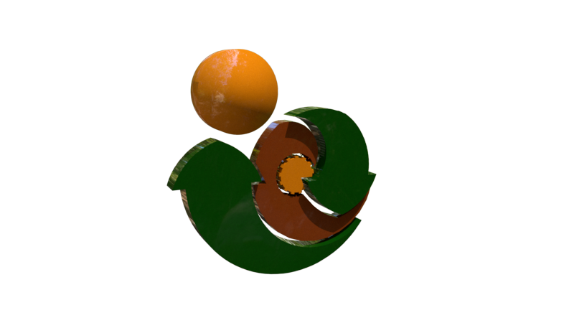

 | Earth Cycle Technologies

 | 10 Springfield | Passive House Consultancy / Certification Application Form | Earth Cycle Technologies
 | Wicklow Town | Single Dwelling Unit
Passive House Consultancy / Certification Application Form | Co. Wicklow |  | 10 Springfield
Single Dwelling Unit | Ireland A67 F863 |  | Wicklow Town
 | VAT Registration No.: 7525387Q |  | Co. Wicklow
 |  |  | Ireland A67 F863
(for any other quote contact info@earthcycle.co )
 |  | Applicant Name | Name
What Stages of Certifcation do you Required. | Design Stage Check or Consultancy & Certification | Applicant Billing Address
 |  | Street No | 10 Springfield
Can you submit a designPH model that you will sign off as accurate | no | Townland | Wicklow
 |  | ZIP/EIR/Post Code | A67 F863
Can you and will you carry out all thermal bridges | no | Country | Ireland

Will You require a Passive House Plaque | yes | Applicant Project Address
 |  | Street No | New Street
 |  | Townland | Wicklow
 |  | ZIP/EIR/Post Code | Axx Fxxx
 |  | Country | Ireland
Stage 1
Passive House Design Check | € 1,850.00 | Contact Details
 |  | Phone | 00 353 85 147 5880
Stage 2 |  | email | info@earthcycle.co
Thermal Bridging | € 1,750.00 | other details

Stage 4 |  |  | Please email special conditions
Final Certification | € 1,450.00

Stage 4
Passive House Plaque (Plus Postage) | € 125.00
 |  | Email this form to info@earthcycle.co to begin the process

Total | € 5,175.00

Total |  | www.earthcycle.co
All costs do not include VAT which must be Added |  | 00 353 85147 5880
Stages 1 - 3 are paid in incremental stages 25% deposit, further 50% after Review Completion, and, 25% to Finalize Stage

