Quotation
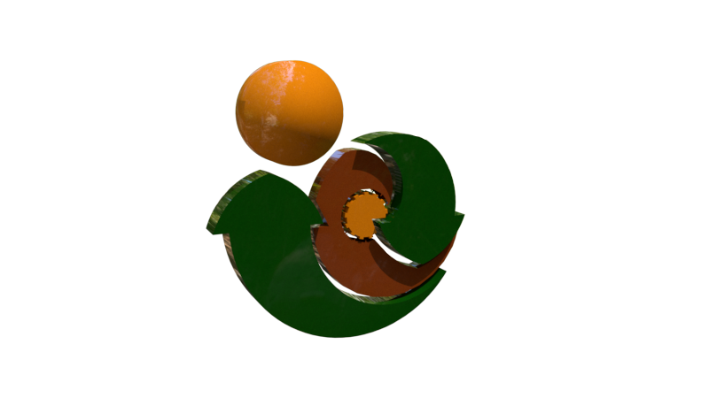

 | Earth Cycle Technologies

 | 10 Springfield | Passive House Consultancy / Certification Application Form | Earth Cycle Technologies
 | Wicklow Town | Single Dwelling Unit
Passive House Consultancy / Certification Application Form | Co. Wicklow |  | 10 Springfield
Single Dwelling Unit | Ireland A67 F863 |  | Wicklow Town
 | VAT Registration No.: 7525387Q |  | Co. Wicklow
 |  |  | Ireland A67 F863
(for any other quote contact info@earthcycle.co )
 |  | Applicant Name | Name
Are you at Design Stage | Consultancy | Applicant Billing Address
 |  | Street No | 10 Springfield
Do you have a designPH model created | Yes | Townland | Wicklow
 |  | ZIP/EIR/Post Code | A67 F863
Are you intending on Certification after Design Stage | Project will be Certified Post Construction

Can you and will you carry out all thermal bridges | No | Country | Ireland

Will you require a Passive House Plaque | No | Applicant Project Address
 |  | Street No | New Street
 |  | Townland | Wicklow
 |  | ZIP/EIR/Post Code | Axx Fxxx
 |  | Country | Ireland
Stage 1
Passive House Design Check | € 1,400.00 | Contact Details
 |  | Phone | 00 353 85 147 5880
Stage 2 |  | email | info@earthcycle.co
Thermal Bridging | € 1,750.00 | other details

Stage 3 |  |  | Please email special conditions
Filing For Certification | € 350.00

Stage 4
Certification | € 1,450.00
 |  | Email this form to info@earthcycle.co to begin the process
Passive House Plaque (Plus Postage) | € -

Total | € 4,950.00

 |  | www.earthcycle.co
All costs do not include VAT which must be Added |  | 00 353 85147 5880
Stages 1 - 3 are paid in incremental stages 25% deposit, further 50% after Review Completion, and, 25% to Finalize Stage

